Hang Lung Sep Report
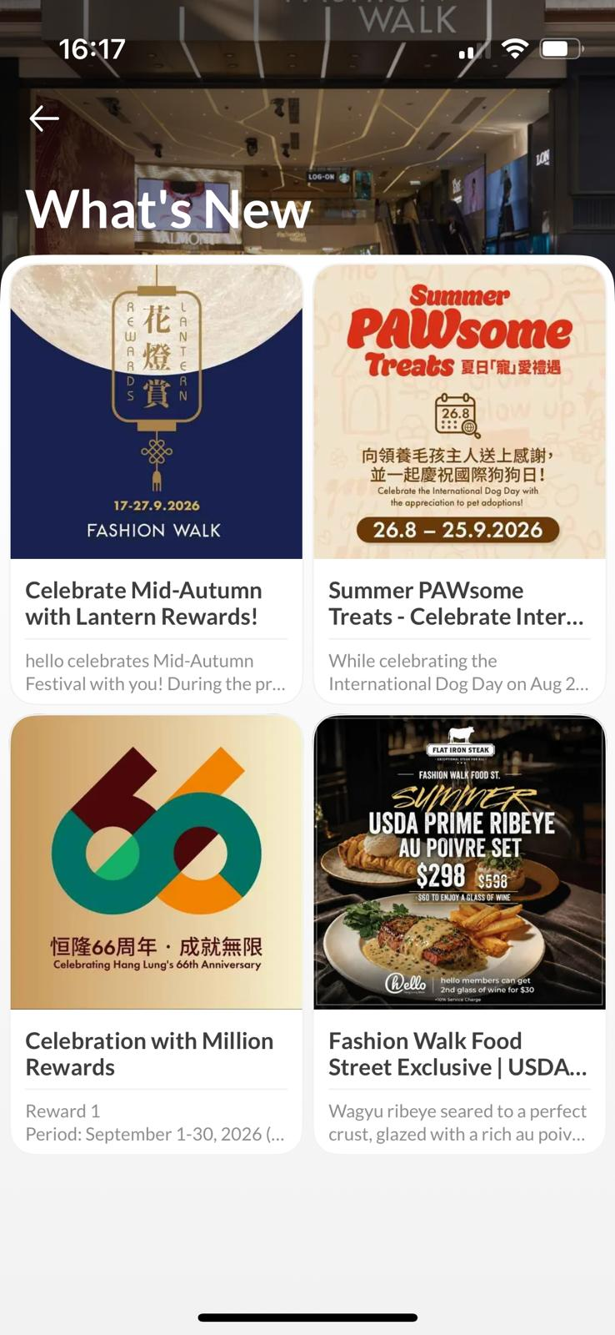


Advertiser : | Hang Lung
Campaign : | Hang lung LMS Campaign- monthly report
Platform : | OpenRice app

Sep 1-30 Report
LMS | LMS Monthly PV | No. of Search Landmark | LMS Monthly UU | LMS Restaurants Total Impressions | LMS Restaurants Total clicks by LMS | Restaurants/ Retails | Restaurants Total Bookmark (New) | No. of Restaurants have Booking services | No. of Booking | No. of Restaurants have Voucher services | No. of Restaurants has Takeaway services | Retail Shops Video Views (cumulative)
Amoy Plaza |  |  |  |  |  | Amoy Plaza
Fashion Walk |  |  |  |  |  | Fashion Walk

Amoy Plaza | Top 5 Search Restaurant | Top Booking Restaurant | Top 5 Tenant Viewed

Fashion Walk | Top 5 Search Restaurant | Top Booking Restaurant | Top 5 Tenant Viewed

Official Account | Banner View IMP | Banner Clicks | What's New (消息) Banner | Banner Clicks
恒隆 66週年 |  |  | Fashion Walk - 花燈賞
Fashion Walk- Flat Iron Steak |  |  | Hang Lung- PAWsome
Amoy Plaza- 睇show玩樂證 |  |  | Fashion Walk - PAWsome
Fashion Walk - PAWsome |  |  | Fashion Walk - Flat Iron Steak
Fashion Walk - 花燈賞 |  |  | Amoy Plaza- 恒隆66週年
 |  |  | Amoy Plzaz- 睇show玩樂證

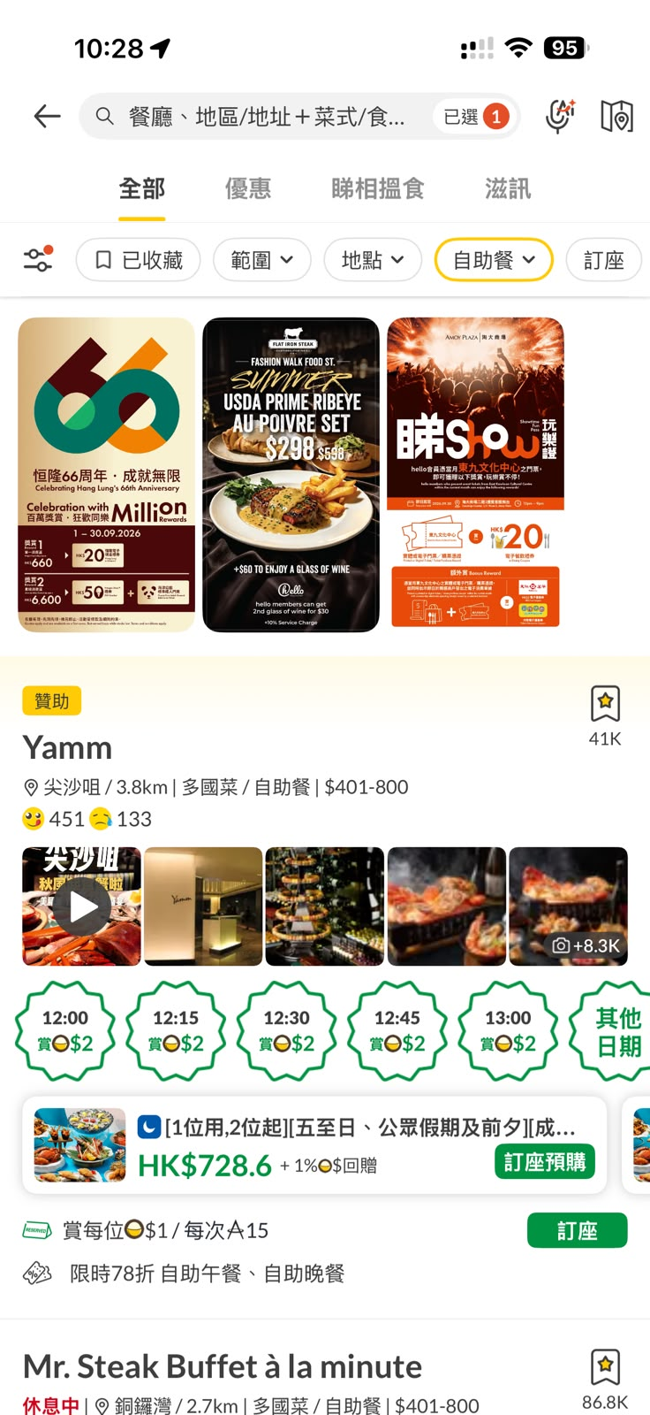
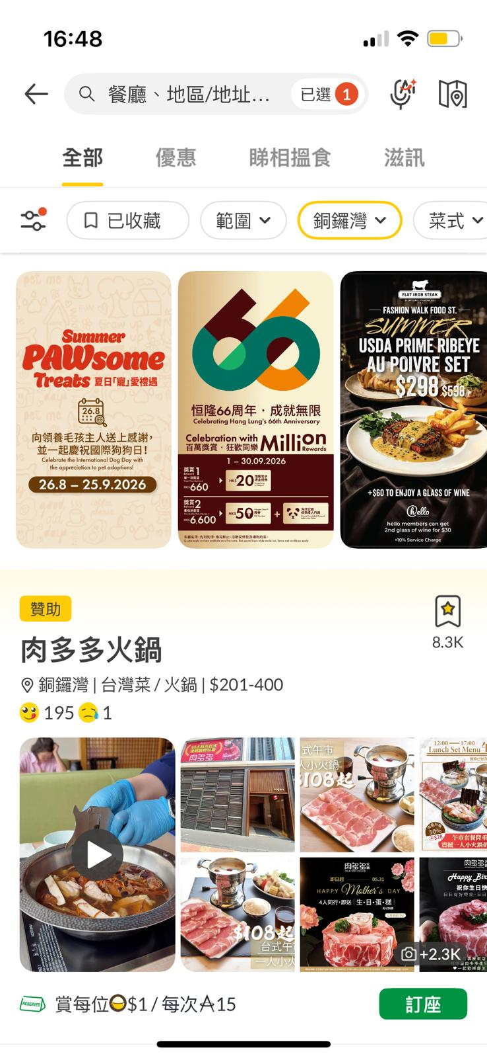
Official Account |  |  | Official Account
 |  |  |  |  | Fashion Walk (What's New) |  |  | Amoy Plaza (What's New)

